Valuation Drivers
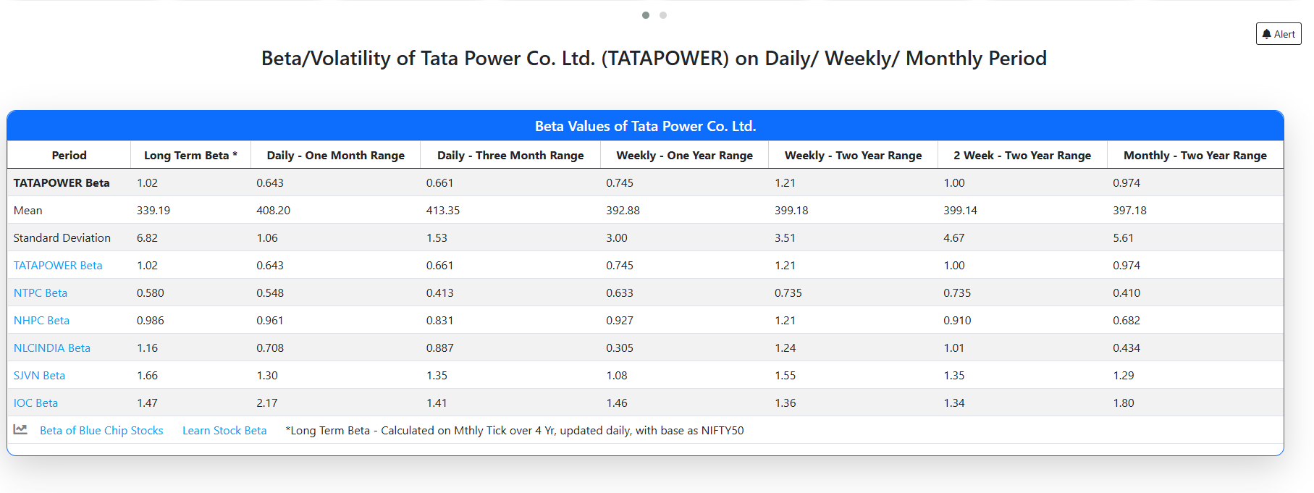
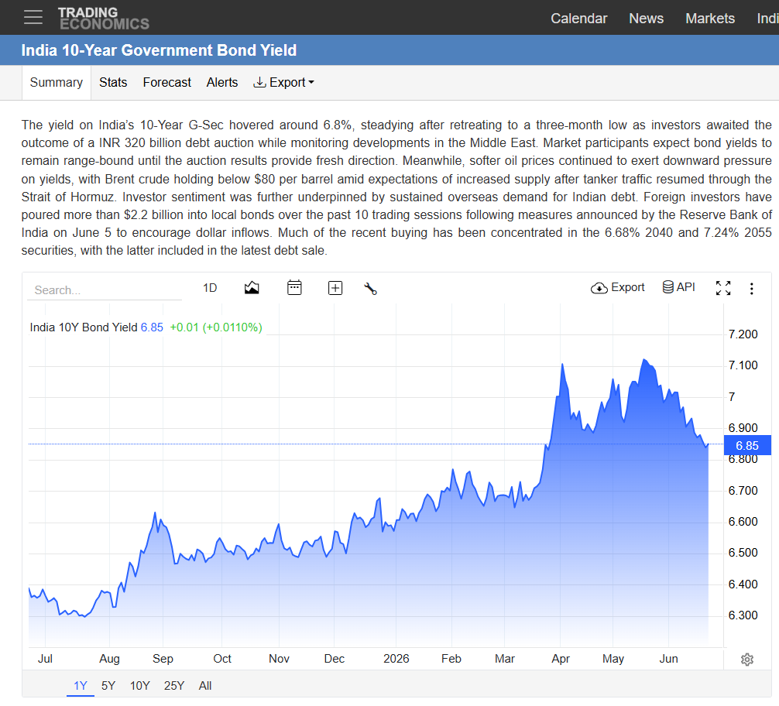

Data from - | https://pages.stern.nyu.edu/~adamodar/New_Home_Page/datafile/ctryprem.html
Country | Moody's rating | Adj. Default Spread | Country Risk Premium | Equity Risk Premium | Corporate Tax Rate | Sovereign CDS | ERP based on sovereign CDS
India | Baa3 | 1.87% | 2.85% | 7.08% | 30.00% | 0.66% | 5.23%
United States | Aa1 | 0.23% | 0.23% | 4.46% | 25.00% | 0.30% | 4.69%

Risk Free Rate | 6.80%
Indian Market Return | 3.89%
US treasury 10 y bond | 4.50%
Beta | 1.26
Tax | 30%
ERP india - rating | 7.08%
ERP India - returns | -2.91%

Note:-
ERP (Returns-based) is negative due to volatility in India's short/medium-term historical equity returns and is not used in this model. ERP (Rating-based) derived from India's sovereign default spread is used instead, consistent with Damodaran's guidance that rating-based ERP is more stable for emerging markets than trailing historical returns.

WACC
Weighted Average Cost of Capital

 |  |  |  |  |  |  | Debt/ | Debt/ | Levered | Unlevered
Name of the Comparable company |  |  |  | Total Debt | Total Equity | Tax Rate 1 | Equity | Capital | Beta 2 | Beta 3
Adani Power |  |  |  | ₹ 54,670.29 | ₹ 4,421,403.17 | 30% | 1% | 1% | 0.16 | 0.16
NTPC |  |  |  | ₹ 271,004.58 | ₹ 341,372.32 | 30% | 79% | 44% | 0.46 | 0.30
Power Grid Corpn |  |  |  | ₹ 148,070.60 | ₹ 264,044.03 | 30% | 56% | 36% | 0.39 | 0.28
Adani Green |  |  |  | ₹ 103,545.00 | ₹ 251,379.19 | 30% | 41% | 29% | 0.78 | 0.61
Adani Energy Sol |  |  |  | ₹ 49,176.43 | ₹ 181,132.01 | 30% | 27% | 21% | 1.32 | 1.11

 |  |  |  |  | Average | 30% | 41% | 26% | 0.62 | 0.49
 |  |  |  |  | Median | 30% | 41% | 29% | 0.46 | 0.30
 |  |  |  |  | MAX | 30% | 79% | 44% | 1.32 | 1.11
 |  |  |  |  | MIN | 30% | 1% | 1% | 0.16 | 0.16

 |  |  |  |  |  |  | Debt/ | Debt/ | Levered | Unlevered
Name of the Comp |  |  |  | Total Debt | Total Equity | Tax Rate 1 | Equity | Capital | Beta 2 | Beta 3

Tata Power Co. |  |  |  | ₹ 76,141.27 | ₹ 128,564.49 | 30% | 59% | 37% | 1.26 | 0.89

Cost of Debt |  |  |  |  | Cost of Equity

Pre Tax Cost of Debt |  |  | 6.90% |  | Risk Free Rate |  |  |  |  | 6.80%
Tax |  |  | 30% |  | Equity Risk Premium |  |  |  |  | 7.08%
Post Tax Cost of Debt |  |  | 4.83% |  | Levered Beta 4 |  |  |  |  | 1.23
 |  |  |  |  | Cost of Equity |  |  |  |  | 15.52%

Capital Structure |  |  |  |  | Levered Beta
 |  |  |  |  | Beta (Market) |  |  |  |  | 1.26
 |  | Current | Target |  | Current Debt/Equity |  |  |  |  | 59%
Total Debt | ₹ 76,141.27 | 37.20% | 35.00% |  | Unlevered Beta |  |  |  |  | 0.89
Market Capitalization | ₹ 128,564.49 | 62.80% | 65.00% |  | Target Debt/Equity |  |  |  |  | 53.85%
Total Capital | 204,705.76 | 100% | 100% |  | Tax Rate |  |  |  |  | 30%
 |  |  |  |  | Levered Beta |  |  |  |  | 1.23
 | Debt to Market Equity
Mar-17 | 199.64%
Mar-18 | 227.26%
Mar-19 | 242.85%
Mar-20 | 584.17%
Mar-21 | 141.50%
Mar-22 | 67.10%
Mar-23 | 87.01%
Mar-24 | 42.60%
Mar-25 | 52.38%
Mar-26 | 62.88%
Debt/Equity |  | 59% | 54%
 |  |  |  |  | Weighted Average Cost of Capital

 |  |  |  |  |  |  |  |  | Total Cost | Total Weight
 |  |  |  |  | Debt |  |  |  | 4.83% | 35.00%
 |  |  |  |  | Equity |  |  |  | 15.52% | 65.00%
 |  |  |  |  | WACC |  |  |  |  | 11.78%

Target based on observed 10-year trend in market-value debt/equity, extrapolated forward

Football Field Analysis
Football Field Analysis

Football Field Analysis - Data
 | OpenLow | Low | OpenHigh | High
Comps | 449.51 | 449.51 | 1191.50 | 1191.50
DCF Bear | -29.58 | -29.58 | 9.75 | 9.75
DCF Base | -15.49 | -15.49 | 46.17 | 46.17
DCF Bull | 40.66 | 40.66 | 332.05 | 332.05
52W H/L | 342.35 | 342.35 | 464.90 | 464.90

DuPont ROE Analysis
TATA POWER COMPANY LTD
(TATAPOWER|BSE CODE - 500400)
INR 402.35
52 Week (HIGH - INR 464.90 & LOW - INR 342.35 )

About the Company
Tata Power is India's largest integrated electricity company and a key subsidiary of the Tata Group.Its operations span the entire power value chain, including energy generation, transmission, and distribution.The company manages a massive diversified generation capacity exceeding 14,700 megawatts across the nation.It is rapidly shifting away from fossil fuels, aiming for 70% clean energy capacity by 2030.Their renewable portfolio includes massive utility-scale investments in solar, wind, and hydroelectric power plants.They are building India's largest public and residential electric vehicle charging networks to support green transit.
Financial Summary

Ravenue (Crs.)
Net Profit (Crs.)
Avarage Total Assets (Crs.)

Retuen on Equity (%)
Retuen on Assets (%)
Financial Leverage

Recent Updates -
Tata Power has secured a massive ₹521 crore domestic infrastructure contract to bolster its clean energy installation pipeline.
Its extensive electric vehicle charging network successfully crossed 7.5 lakh charging sessions, drastically reducing carbon emissions across India.
The company partnered with Bhutan’s Druk Green Power Corporation to build a 5,000 megawatt clean energy ecosystem.
The Indian government extended emergency regulations for the company's Mundra plant until September 2026 to secure grid reliability.
Its full-year profit after tax achieved a record-breaking ₹5,118 crore driven by unprecedented growth in its core utilities.
The company announced a substantial ₹15,000 crore investment plan. It is aimed at upgrading its 110 KV transmission and distribution networks to 220 KV and 400 KV across Mumbai to meet the city's skyrocketing peak power demands.
The Board of Directors appointed Mr. Deepak Kapoor as an Additional Non-Executive, Independent Director to strengthen its corporate compliance and strategic oversight.
To optimize its green energy transition networks, the firm partnered with data intelligence giant Databricks. They will construct a centralized, future-ready artificial intelligence platform.
Return on Equity (ROE)
 | Mar-17 | Mar-18 | Mar-19 | Mar-20 | Mar-21 | Mar-22 | Mar-23 | Mar-24 | Mar-25 | Mar-26
Net Profit | ₹ 1,099.63 | ₹ 2,610.85 | ₹ 2,605.66 | ₹ 1,316.44 | ₹ 1,438.65 | ₹ 2,155.61 | ₹ 3,809.67 | ₹ 4,280.10 | ₹ 4,775.37 | ₹ 5,117.56
Average ShareHolders Equity | ₹ 14,807.21 | ₹ 17,352.70 | ₹ 18,935.77 | ₹ 20,944.14 | ₹ 22,381.91 | ₹ 25,614.50 | ₹ 30,571.36 | ₹ 34,097.98 | ₹ 37,653.94 | ₹ 19,733.61
Return on Equity | 7.43% | 15.05% | 13.76% | 6.29% | 6.43% | 8.42% | 12.46% | 12.55% | 12.68% | 25.93%

Dupont Equation - ROE

Net Profit | ₹ 1,099.63 | ₹ 2,610.85 | ₹ 2,605.66 | ₹ 1,316.44 | ₹ 1,438.65 | ₹ 2,155.61 | ₹ 3,809.67 | ₹ 4,280.10 | ₹ 4,775.37 | ₹ 5,117.56
Revenue | ₹ 27,587.59 | ₹ 26,840.27 | ₹ 29,881.06 | ₹ 29,136.37 | ₹ 32,703.31 | ₹ 42,815.67 | ₹ 55,109.08 | ₹ 61,448.90 | ₹ 65,478.24 | ₹ 62,428.59
Net Profit Margin(A) | 4% | 10% | 9% | 5% | 4% | 5% | 7% | 7% | 7% | 8%

Revenue | ₹ 27,587.59 | ₹ 26,840.27 | ₹ 29,881.06 | ₹ 29,136.37 | ₹ 32,703.31 | ₹ 42,815.67 | ₹ 55,109.08 | ₹ 61,448.90 | ₹ 65,478.24 | ₹ 62,428.59
Average Total Assets | ₹ 82,360.00 | ₹ 82,982.00 | ₹ 86,873.50 | ₹ 94,164.50 | ₹ 105,603.00 | ₹ 120,324.00 | ₹ 133,576.00 | ₹ 147,624.00 | ₹ 165,378.50 | ₹ 87,282.00
Asset Turnover Ratio (B) | 0.33x | 0.32x | 0.34x | 0.31x | 0.31x | 0.36x | 0.41x | 0.42x | 0.40x | 0.72x

Average Total Assets | ₹ 82,360.00 | ₹ 82,982.00 | ₹ 86,873.50 | ₹ 94,164.50 | ₹ 105,603.00 | ₹ 120,324.00 | ₹ 133,576.00 | ₹ 147,624.00 | ₹ 165,378.50 | ₹ 87,282.00
Average Shareholder Equity | ₹ 14,807.21 | ₹ 17,352.70 | ₹ 18,935.77 | ₹ 20,944.14 | ₹ 22,381.91 | ₹ 25,614.50 | ₹ 30,571.36 | ₹ 34,097.98 | ₹ 37,653.94 | ₹ 19,733.61
Equity Multiplier (c) | 5.56x | 4.78x | 4.59x | 4.50x | 4.72x | 4.70x | 4.37x | 4.33x | 4.39x | 4.42x

Return On Equity(A*B*C) | 7.43% | 15.05% | 13.76% | 6.29% | 6.43% | 8.42% | 12.46% | 12.55% | 12.68% | 25.93%

Return on Assets (ROA)
 | Mar-17 | Mar-18 | Mar-19 | Mar-20 | Mar-21 | Mar-22 | Mar-23 | Mar-24 | Mar-25 | Mar-26
Net Profit | ₹ 1,099.63 | ₹ 2,610.85 | ₹ 2,605.66 | ₹ 1,316.44 | ₹ 1,438.65 | ₹ 2,155.61 | ₹ 3,809.67 | ₹ 4,280.10 | ₹ 4,775.37 | ₹ 5,117.56
Average Total Assets | ₹ 82,360.00 | ₹ 82,982.00 | ₹ 86,873.50 | ₹ 94,164.50 | ₹ 105,603.00 | ₹ 120,324.00 | ₹ 133,576.00 | ₹ 147,624.00 | ₹ 165,378.50 | ₹ 87,282.00
Return on Assets | 1.34% | 3.15% | 3.00% | 1.40% | 1.36% | 1.79% | 2.85% | 2.90% | 2.89% | 5.86%

Dupont Equation - ROA

Net Profit | ₹ 1,099.63 | ₹ 2,610.85 | ₹ 2,605.66 | ₹ 1,316.44 | ₹ 1,438.65 | ₹ 2,155.61 | ₹ 3,809.67 | ₹ 4,280.10 | ₹ 4,775.37 | ₹ 5,117.56
Revenue | ₹ 27,587.59 | ₹ 26,840.27 | ₹ 29,881.06 | ₹ 29,136.37 | ₹ 32,703.31 | ₹ 42,815.67 | ₹ 55,109.08 | ₹ 61,448.90 | ₹ 65,478.24 | ₹ 62,428.59
Net Profit Margin(A) | 4% | 10% | 9% | 5% | 4% | 5% | 7% | 7% | 7% | 8%

Revenue | ₹ 27,587.59 | ₹ 26,840.27 | ₹ 29,881.06 | ₹ 29,136.37 | ₹ 32,703.31 | ₹ 42,815.67 | ₹ 55,109.08 | ₹ 61,448.90 | ₹ 65,478.24 | ₹ 62,428.59
Average Total Assets | ₹ 82,360.00 | ₹ 82,982.00 | ₹ 86,873.50 | ₹ 94,164.50 | ₹ 105,603.00 | ₹ 120,324.00 | ₹ 133,576.00 | ₹ 147,624.00 | ₹ 165,378.50 | ₹ 87,282.00
Asset Turnover Ratio (B) | 0.33x | 0.32x | 0.34x | 0.31x | 0.31x | 0.36x | 0.41x | 0.42x | 0.40x | 0.72x

Return On Assets(A*B) | 1.34% | 3.15% | 3.00% | 1.40% | 1.36% | 1.79% | 2.85% | 2.90% | 2.89% | 5.86%
Dupoint Summary -
ROE improved from 8.42% in FY22 to 25.93% in FY26, driven primarily by higher profitability and improved asset efficiency, while financial leverage remained broadly stable.
Net Profit Margin expanded from 5% to 8%, reflecting stronger cost control and operational performance, supporting sustained earnings growth.
Asset Turnover increased from 0.36x to 0.77x, indicating better utilization of the company's asset base to generate revenue.
The combination of improving margins, efficient asset utilization, and steady leverage has strengthened Tata Power's overall shareholder returns, with ROA rising to nearly 5.86% by FY26.

Disclaimer : The contents of this financial project, including all data, charts, analysis, and conclusions, are provided strictly for educational, research, and informational purposes. No part of this project constitutes investment, financial, legal, tax, or professional advice.

Altman Z-Score (Credit Risk)
TATA POWER COMPANY LTD
(TATAPOWER|BSE CODE - 500400)
INR 402.35
52 Week (HIGH - INR 464.90 & LOW - INR 342.35 )

Altman's Z Score Analysis
Financial Summary
Retained Earning (millions)
EBIT(millions)
Working Capital (millions)

Sales
Total Assets
Market Capitalization

Long Term Liabilities
Final Score
Altman's Z Score Analysis Calculation
Working Capital/ Total Assets
1.20 | Mar-17 | Mar-18 | Mar-19 | Mar-20 | Mar-21 | Mar-22 | Mar-23 | Mar-24 | Mar-25 | Mar-26
Working Capital (with Cash ) | ₹ 3,252.00 | ₹ 8,267.00 | ₹ 8,555.00 | ₹ 10,022.00 | ₹ 3,360.00 | ₹ 1,040.00 | ₹ 3,335.00 | ₹ -3,063.00 | ₹ -1,897.00 | ₹ 5,218.00
Total Assets | ₹ 82,829.00 | ₹ 81,891.00 | ₹ 84,073.00 | ₹ 89,674.00 | ₹ 98,655.00 | ₹ 112,551.00 | ₹ 128,097.00 | ₹ 139,055.00 | ₹ 156,193.00 | ₹ 174,564.00
Working Capital/ Total Assets (A) | 3.93% | 10.10% | 10.18% | 11.18% | 3.41% | 0.92% | 2.60% | -2.20% | -1.21% | 2.99%

Retained Earning / Total Assets
1.40
Retained Earning | ₹ 747.98 | ₹ 2,259.20 | ₹ 2,254.01 | ₹ 897.16 | ₹ 943.33 | ₹ 1,596.38 | ₹ 3,170.55 | ₹ 3,640.98 | ₹ 4,056.36 | ₹ 4,318.66
Total Assets | ₹ 82,829.00 | ₹ 81,891.00 | ₹ 84,073.00 | ₹ 89,674.00 | ₹ 98,655.00 | ₹ 112,551.00 | ₹ 128,097.00 | ₹ 139,055.00 | ₹ 156,193.00 | ₹ 174,564.00
Retained Earning / Total Assets (B) | 0.90% | 2.76% | 2.68% | 1.00% | 0.96% | 1.42% | 2.48% | 2.62% | 2.60% | 2.47%

EBIT / Total Assets
3.30
EBIT | ₹ 4,137.05 | ₹ 4,118.00 | ₹ 4,524.57 | ₹ 5,462.18 | ₹ 4,448.79 | ₹ 4,723.52 | ₹ 5,092.77 | ₹ 7,573.78 | ₹ 10,427.98 | ₹ 8,881.22
Total Assets | ₹ 82,829.00 | ₹ 81,891.00 | ₹ 84,073.00 | ₹ 89,674.00 | ₹ 98,655.00 | ₹ 112,551.00 | ₹ 128,097.00 | ₹ 139,055.00 | ₹ 156,193.00 | ₹ 174,564.00
EBIT / Total Assets (C) | 4.99% | 5.03% | 5.38% | 6.09% | 4.51% | 4.20% | 3.98% | 5.45% | 6.68% | 5.09%

Market Cap / Long Term Liabilities
0.60
Market Cap | ₹ 24,451.26 | ₹ 21,380.76 | ₹ 19,973.42 | ₹ 8,890.61 | ₹ 33,008.94 | ₹ 76,296.21 | ₹ 60,822.77 | ₹ 126,025.42 | ₹ 120,015.07 | ₹ 121,086.07
Long Term Liabilities | ₹ 48,815.00 | ₹ 48,589.00 | ₹ 48,506.00 | ₹ 51,936.00 | ₹ 46,708.00 | ₹ 51,195.00 | ₹ 52,923.00 | ₹ 53,689.00 | ₹ 62,866.00 | ₹ 76,141.00
Market Cap / Long Term Liabilities (D) | 50% | 44% | 41% | 17% | 71% | 149% | 115% | 235% | 191% | 159%

Sales / Total Assets
1.00
Sales | ₹ 27,587.59 | ₹ 26,840.27 | ₹ 29,881.06 | ₹ 29,136.37 | ₹ 32,703.31 | ₹ 42,815.67 | ₹ 55,109.08 | ₹ 61,448.90 | ₹ 65,478.24 | ₹ 62,428.59
Total Assets | ₹ 82,829.00 | ₹ 81,891.00 | ₹ 84,073.00 | ₹ 89,674.00 | ₹ 98,655.00 | ₹ 112,551.00 | ₹ 128,097.00 | ₹ 139,055.00 | ₹ 156,193.00 | ₹ 174,564.00
Sales / Total Assets (E) | 33.31% | 32.78% | 35.54% | 32.49% | 33.15% | 38.04% | 43.02% | 44.19% | 41.92% | 35.76%

Altman's Z Score
 | Mar-17 | Mar-18 | Mar-19 | Mar-20 | Mar-21 | Mar-22 | Mar-23 | Mar-24 | Mar-25 | Mar-26
Final Score | 0.86 | 0.92 | 0.94 | 0.78 | 0.96 | 1.44 | 1.32 | 2.04 | 1.81 | 1.55
Financial Stability | Distress | Distress | Distress | Distress | Distress | Distress | Distress | Grey Zone | Distress | Distress

Tata Power's Altman Z-Score shows 'Distress' classification in most years despite the company carrying CRISIL AA+/Stable and ICRA AA+/Stable credit ratings high investment-grade, indicating low default risk. This divergence reflects a known limitation of the original 1968 Altman model, which was calibrated on manufacturing firms. Two of its five ratios are structurally unfavorable for capital intensive regulated utilities: (1) Asset Turnover (Sales/Total Assets) is naturally low given the large fixed-asset base relative to revenue; (2) high leverage normal and low-risk for a utility with regulated, tariff-based cash flows is penalized the same way it would be for a cyclical manufacturer. The Z-Score here should be read as a model limitation rather than a genuine distress signal.
NOTE:-

Disclaimer : The contents of this financial project, including all data, charts, analysis, and conclusions, are provided strictly for educational, research, and informational purposes. No part of this project constitutes investment, financial, legal, tax, or professional advice.

Company Profile
TATA POWER COMPANY LTD - One Page Company Profile

 | Tata Power Company Limited is an Indian electric utility and electricity generation company, based in Mumbai and part of the Tata Group. With an installed electricity generation capacity of 14,707 MW from thermal power and green energy sources, it is India's largest integrated power company. In February 2017, Tata Power became the first Indian company to ship over 1 GW solar modules.

Key Financial Metrics (in millions) | Mar-21 | Mar-22 | Mar-23 | Mar-24 | Mar-25 | Mar-26 | Share Price - 2Y (weekly)
6/14/2026 | 402.35
6/7/2026 | 393.55
5/31/2026 | 409.20
5/24/2026 | 420.75
5/17/2026 | 408.90
5/10/2026 | 407.00
5/3/2026 | 436.00
4/26/2026 | 444.55
4/19/2026 | 435.00
4/12/2026 | 427.60
4/5/2026 | 399.35
3/29/2026 | 385.00
3/22/2026 | 385.70
3/15/2026 | 402.40
3/8/2026 | 394.95
3/1/2026 | 375.50
2/22/2026 | 377.55
2/15/2026 | 378.00
2/8/2026 | 374.10
2/1/2026 | 365.95
1/25/2026 | 366.30
1/18/2026 | 345.25
1/11/2026 | 366.10
1/4/2026 | 364.80
12/28/2025 | 393.10
12/21/2025 | 379.55
12/14/2025 | 380.55
12/7/2025 | 381.95
11/30/2025 | 384.50
11/23/2025 | 390.10
11/16/2025 | 387.00
11/9/2025 | 388.40
11/2/2025 | 393.20
10/26/2025 | 404.90
10/19/2025 | 396.85
10/12/2025 | 397.80
10/5/2025 | 390.10
9/28/2025 | 394.90
9/21/2025 | 383.80
9/14/2025 | 396.30
9/7/2025 | 386.25
8/31/2025 | 385.80
8/24/2025 | 374.15
8/17/2025 | 385.60
8/10/2025 | 385.30
8/3/2025 | 378.80
7/27/2025 | 389.30
7/20/2025 | 395.35
7/13/2025 | 407.90
7/6/2025 | 396.85
...
Sales (in Rs.) | ₹ 32,703.31 | ₹ 42,815.67 | ₹ 55,109.08 | ₹ 61,448.90 | ₹ 65,478.24 | ₹ 62,428.59
Growth y-o-y | 12.24% | 30.92% | 28.71% | 11.50% | 6.56% | -4.66%
Gross Profit Margins (%) | 23.60% | 20.03% | 17.33% | 20.14% | 23.82% | 23.88%
EBITDA Margins (%) | 22.00% | 18.32% | 15.48% | 18.49% | 22.21% | 21.93%
EBIT Margins (%) | 13.60% | 11.03% | 9.24% | 12.33% | 15.93% | 14.23%
Net Margins (%) | 4.40% | 5.03% | 6.91% | 6.97% | 7.29% | 8.20%
Earning per Share (in Rs.) | ₹ 4.50 | ₹ 6.75 | ₹ 11.92 | ₹ 13.39 | ₹ 14.94 | ₹ 16.02
EPS Growth % | -7.49% | 49.84% | 76.73% | 12.35% | 11.57% | 7.17%
Dividend per Share | ₹ 1.55 | ₹ 1.75 | ₹ 2.00 | ₹ 2.00 | ₹ 2.25 | ₹ 2.50
DPS Growth (%) | 0.00% | 12.90% | 14.29% | 0.00% | 12.50% | 11.11% | Source | https://in.investing.com/equities/

Key Financial Ratios (in millions) | Mar-21 | Mar-22 | Mar-23 | Mar-24 | Mar-25 | Mar-26 | Share Volume - 2Y(weekly)
 | Volume
6/14/2026 | 32.8
6/7/2026 | 23.94
5/31/2026 | 20.9
5/24/2026 | 27.34
5/17/2026 | 27.27
5/10/2026 | 42.08
5/3/2026 | 25.5
4/26/2026 | 46.09
4/19/2026 | 42.75
4/12/2026 | 59.7
4/5/2026 | 33.04
3/29/2026 | 25.05
3/22/2026 | 41.8
3/15/2026 | 60.74
3/8/2026 | 56.5
3/1/2026 | 21.08
2/22/2026 | 15.75
2/15/2026 | 15.88
2/8/2026 | 18.7
2/1/2026 | 22.76
1/25/2026 | 21.13
1/18/2026 | 16.05
1/11/2026 | 15.64
1/4/2026 | 21.46
12/28/2025 | 20.97
12/21/2025 | 13.29
12/14/2025 | 15.42
12/7/2025 | 25.51
11/30/2025 | 19.73
11/23/2025 | 26.15
11/16/2025 | 21.96
11/9/2025 | 24.91
11/2/2025 | 20
10/26/2025 | 26.55
10/19/2025 | 15.11
10/12/2025 | 24.54
10/5/2025 | 27.89
9/28/2025 | 13.68
9/21/2025 | 17.12
9/14/2025 | 27.58
9/7/2025 | 16.83
8/31/2025 | 15.63
8/24/2025 | 21.28
8/17/2025 | 14.4
8/10/2025 | 12.32
8/3/2025 | 34.56
7/27/2025 | 27.79
7/20/2025 | 24.66
7/13/2025 | 32.82
7/6/2025 | 27.28
...
Price to Earnings | 22.93x | 35.38x | 15.96x | 29.43x | 25.12x | 23.65x
EV/EBITDA | 10.27x | 15.40x | 12.02x | 15.01x | 11.77x | 13.41x
EV/Sales | 2.26x | 2.82x | 1.86x | 2.78x | 2.61x | 2.94x
Price to Book Value | 45.76x | 45.52x | 35.49x | 31.57x | 28.50x | 25.88x
Return on Equity (%) | 6.44% | 9.61% | 13.23% | 13.23% | 13.32% | 12.97%
Return on Capital Employed (%) | 6.44% | 6.41% | 6.23% | 8.80% | 10.56% | 7.68%

Top 10 Shareholder's(2026) |  | % of holding |  | N. Shares (in millions) | Market Value (in millions) |  | Shareholders Pattern
Promoters |  | 46.86%
FIIs |  | 10.04%
DIIs |  | 17.98%
Government |  | 0.31%
Public |  | 24.81%
Tata Sons Private Limited |  | 45.21% |  | 1,445.36 |  | ₹ 581,540.60 |  |  |  | Promoters | 46.86%
Life Insurance Corporation of India |  | 5.18% |  | 165.60 |  | ₹ 66,630.84 |  |  |  | FIIs | 10.04%
Nippon Life India Asset Management Limited |  | 2.25% |  | 71.93 |  | ₹ 28,941.97 |  |  |  | DIIs | 17.98%
BlackRock, Inc. |  | 1.79% |  | 57.23 |  | ₹ 23,024.94 |  |  |  | Government | 0.31%
Vanguard Capital Management, LLC |  | 1.77% |  | 56.59 |  | ₹ 22,767.68 |  |  |  | Public | 24.81%
quant Money Managers Ltd. |  | 1.56% |  | 49.87 |  | ₹ 20,066.43
Tata Steel Limited |  | 1.22% |  | 39.00 |  | ₹ 15,692.98
Mirae Asset Global Investments Co., Ltd. |  | 1.20% |  | 38.36 |  | ₹ 15,435.72
GIC Asset Management Company Ltd. |  | 1.02% |  | 32.61 |  | ₹ 13,120.36
Canara Robeco Asset Management Company Limited |  | 0.77% |  | 24.62 |  | ₹ 9,904.58

Top 10 Mutual Fund Holders(2026) |  | % of holding |  | N. Shares (in millions) |  | Market Value (in millions) | 3-Year Capacity Mix Transition

Vanguard STAR Funds - Vanguard Total International Stock ETF |  | 0.78% |  | 24.94 |  | ₹ 10,033.22
Vanguard International Equity Index Funds - Vanguard FTSE Emerging Markets ETF |  | 0.73% |  | 23.34 |  | ₹ 9,390.06
Nippon Mutual Funds - Nippon Large Cap Fund |  | 0.70% |  | 22.38 |  | ₹ 9,004.17 |  |  |  |  |  | 3-Year Capacity Mix Transition (In Percentage)
Nippon India Mutual Fund - Nippon India Multi Cap Fund |  | 0.62% |  | 19.82 |  | ₹ 7,975.12 |  |  |  |  |  | Generation Source | Mar-24 | Mar-25 | Mar-26
iShares, Inc. - iShares Core MSCI Emerging Markets ETF |  | 0.56% |  | 17.90 |  | ₹ 7,203.33 |  |  |  |  |  | Thermal Power (Coal & Gas) | 61.00% | 56.00% | 53.00%
Quant Mutual Fund-Quant Elss Tax Saver Fund |  | 0.46% |  | 14.71 |  | ₹ 5,917.02 |  |  |  |  |  | Solar Energy | 23.00% | 26.00% | 29.00%
Vanguard Fiduciary Trust Company Institutional Total International Stock Market Index Trust II |  | 0.39% |  | 12.47 |  | ₹ 5,016.61 |  |  |  |  |  | Wind Energy | 7.50% | 9.00% | 9.50%
SBI Mutual Fund - SBI Flexicap Fund |  | 0.37% |  | 11.83 |  | ₹ 4,759.35 |  |  |  |  |  | Hydroelectric Power | 6.00% | 6.00% | 5.50%
ICICI Prudential Mutual Fund - ICICI Prudential Bluechip Fund |  | 0.34% |  | 10.87 |  | ₹ 4,373.45 |  |  |  |  |  | Waste Heat / Others | 2.50% | 3.00% | 3.00%
Canara Robeco Mutual Fund - Canara Robeco Emerging Equities |  | 0.33% |  | 10.55 |  | ₹ 4,244.82

Managerial Remuneration (2026) |  | Designation |  | Remuneration(in millions ) |  | X of Median Salary | Capital Structure

Dr. Praveer Sinha |  | CEO & MD |  | ₹ 136.40 |  | 76:01 | Share Price as on |  | ₹ 402.35
Mr. Sanjeev Churiwala |  | CFO & COS |  | ₹ 85.60 |  | 02:01 | Number of Shares o/s |  | 3,195.34
Mr. Sanjay Banga |  | President – Renewables |  | n.a. |  | n.a. | Market Capitalization |  | ₹ 121,086.07
Mr. Ajay Kapoor |  | Chief – LR&A |  | n.a. |  | n.a. | Less: Cash & Equivalents |  | ₹ (13,644.00)
Mr. Dwarka Srinath |  | CDIO |  | n.a. |  | n.a. | Add: Total Debt |  | ₹ 76,141.00
Ms. Anjali Pandey |  | President – Generation |  | n.a. |  | n.a. | Add:Minority Interest |  | ₹ 8,071.00
 |  |  |  |  |  |  | Enterprise Value |  | ₹ 191,654.07

Recent Updates :- |  |  |  |  |  |  | Note :-

Deepak Kapoor Onboarded: Former PwC India Chairman, Mr. Deepak Kapoor, stepped into his role as an Additional Non-Executive Independent Director on June 1, 2026, with a fixed five-year term ending in 2031.
Nishi Vasudeva Appointment: Former HPCL Chief, Ms. Nishi Vasudeva, was also added to the board as an Additional Non-Executive Independent Director, effective May 13, 2026.
Dividend Payout Execution: Following a recommended dividend of ₹2.50 per equity share (250% value) for the past financial year, the official record date was locked on June 23, 2026. Approved dividend payments will be released electronically starting July 10, 2026.

Disclaimer : The contents of this financial project, including all data, charts, analysis, and conclusions, are provided strictly for educational, research, and informational purposes. No part of this project constitutes investment, financial, legal, tax, or professional advice.

Utility Credit QualityScorecard
Utility Credit Quality Scorecard
 | Mar-17 | Mar-18 | Mar-19 | Mar-20 | Mar-21 | Mar-22 | Mar-23 | Mar-24 | Mar-25 | Mar-26

ROIC | 5.92% | 5.57% | 6.08% | 6.88% | 6.27% | 6.38% | 6.62% | 9.64% | 11.28% | 7.88%
Score(Maximum Score = 10) | 4 | 4 | 4 | 4 | 4 | 4 | 4 | 6 | 8 | 6

Interest Coverage | 1.23x | 1.09x | 1.09x | 1.22x | 1.11x | 1.22x | 1.16x | 1.63x | 2.22x | 1.69x
Score(Maximum Score = 25) | 10 | 10 | 10 | 10 | 10 | 10 | 10 | 10 | 15 | 10

Net Debt / EBITDA | 8.16x | 7.64x | 7.21x | 6.44x | 6.08x | 6.14x | 5.52x | 4.45x | 3.98x | 5.15x
Score(Maximum Score = 20) | 0 | 0 | 0 | 0 | 0 | 0 | 0 | 5 | 10 | 0

FFO / Net Debt | 6.03% | 9.80% | 9.86% | 7.28% | 8.43% | 9.63% | 12.43% | 13.52% | 12.77% | 11.79%
Score(Maximum Score = 15) | 0 | 0 | 0 | 0 | 0 | 0 | 6 | 6 | 6 | 6

Operating Cash Flow / Debt | 13.84% | 12.58% | 9.03% | 13.59% | 16.81% | 12.22% | 12.28% | 20.96% | 18.21% | 7.12%
Score(Maximum Score = 10) | 6 | 6 | 3 | 6 | 8 | 6 | 6 | 8 | 8 | 3

Current Ratio | 1.17x | 1.56x | 1.57x | 1.63x | 1.13x | 1.03x | 1.08x | 0.93x | 0.96x | 1.10x
Score(Maximum Score = 5) | 2 | 4 | 4 | 4 | 2 | 2 | 2 | 0 | 0 | 2

Altman Z Score | 0.86 | 0.92 | 0.94 | 0.78 | 0.96 | 1.44 | 1.32 | 2.04 | 1.81 | 1.55
Score(Maximum Score = 5) | 0 | 0 | 0 | 0 | 0 | 2 | 2 | 4 | 3 | 2

Debt / Capitalization | 67.46% | 70.30% | 71.73% | 85.92% | 60.06% | 41.79% | 48.96% | 32.13% | 36.72% | 41.02%
Score(Maximum Score = 5) | 1 | 1 | 1 | 1 | 2 | 4 | 3 | 5 | 4 | 4

Dividend Payout Ratio | 31.98% | 13.47% | 13.50% | 31.85% | 34.43% | 25.94% | 16.78% | 14.93% | 15.06% | 15.61%
Score(Maximum Score = 5) | 2 | 5 | 5 | 2 | 2 | 3 | 4 | 5 | 5 | 5

Total Score | 25 | 30 | 27 | 27 | 28 | 31 | 37 | 49 | 59 | 38
Max Score = 100

Credit Rating | High Risk | High Risk | High Risk | High Risk | High Risk | High Risk | High Risk | Weak | Moderate | High Risk

CRISIL Rating | AA- | AA- | AA- | AA | AA | AA | AA | AA+ | AA+ | AA+

Credit Rating Cross-Check: Tata Power's CRISIL long-term rating has moved from AA- (FY17 - FY20) to AA (Nov 2020 - Mar 2024) to AA+ (Apr 2024 - present), a clean upgrade trajectory with no downgrades over the model period. CRISIL's own stated rating threshold has been Net Debt/EBITDA sustained below 3.5 -4.0x. This scorecard's Net Debt/EBITDA series (8.16x in FY17, declining to 3.98x in FY25, rising to 5.15x in FY26) tracks this trajectory directionally, though the FY26 uptick above CRISIL's stated threshold is worth monitoring against the next rating action. This scorecard's composite score is benchmarked against this actual rating history, not a theoretical target.
Note :-

